Sheet1
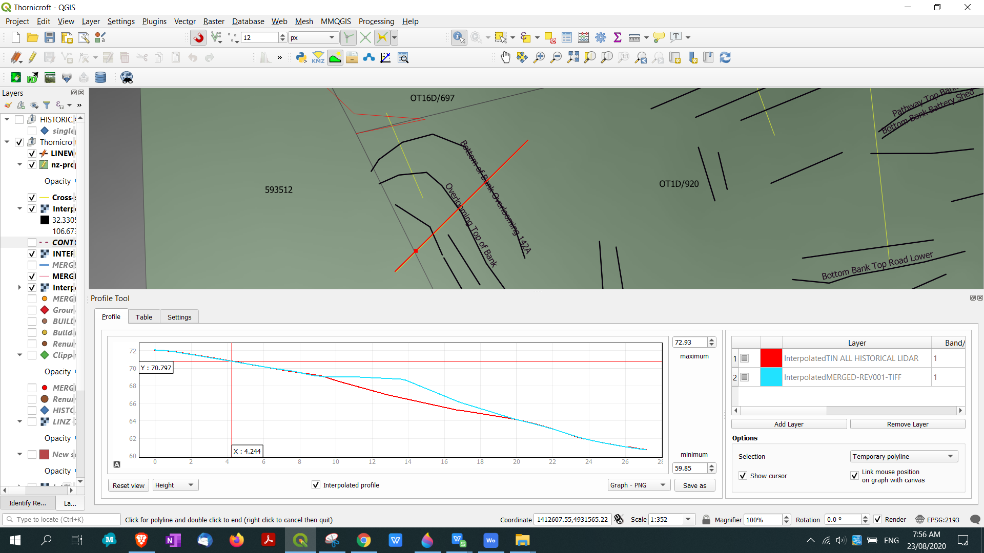
OVERLOOMING SECTION 1
BOUNDARY VIEW
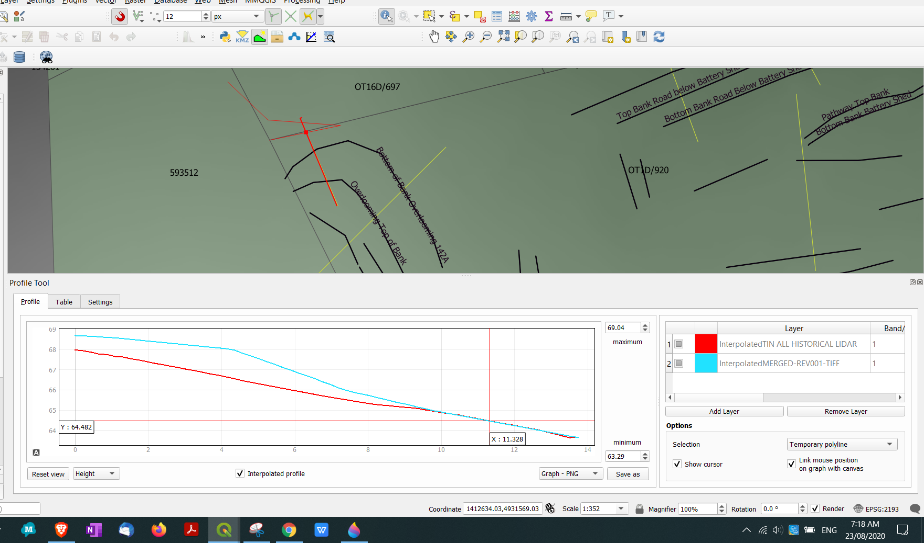

OVERLOOMING SECTION 2

